Sheet1
 |  | Year | Free Cash Flow | Present Value
Growth Rate (Years 1-5) (%) | 0.35 | 1 | 233 | 214.15441176
Growth Rate (Years 6-10) (%) | 0.03 | 2 | 314.55 | 265.72468372
Discount Rate (%) | 0.088 | 3 | 424.6425 | 329.71353218
Terminal Value (Multiple of Free Cash Flow) | 10 | 4 | 573.267375 | 409.11145997
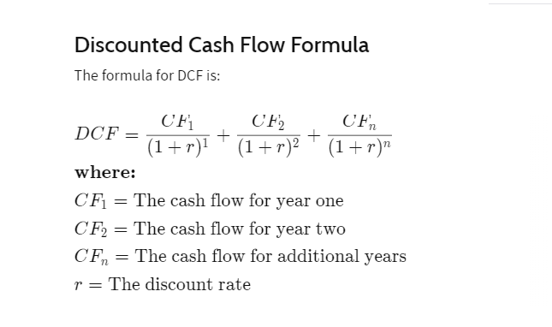
Year 1 Free Cash Flow (Millions) | 233 | 5 | 773.91095625 | 507.62910934
Cash And Short Term Investments - Long Term Debt (From Balance Sheet) (Millions) | 755.98 | 6 | 797.12828494 | 480.56799873
Stock Ticker | CELH | 7 | 821.04213349 | 454.94948409
Shares Outstanding (Millions) | 231.79 | 8 | 845.67339749 | 430.69666233
 |  | 9 | 871.04359941 | 407.73672996
 |  | 10 | 897.1749074 | 386.00076458
 |  | 11 | 8971.749074 | 3547.801145

Present Value Of Future Cash Flows (Millions) | 7434.0859817
Intrinsic Value (Millions) | 8190.0659817
Intrinsic Value Per Share | 35.333991897
30% Margin Of Safety | 24.733794328
50% Margin Of Safety | 17.666995948

Source: https://www.youtube.com/watch?v=rKhnFgGH-GQ

FCF growth rate and discount rate: https://finbox.com/NASDAQCM:CELH/models/dcf-growth-exit-10yr

